Online Shopping System
The aim is to design an Online Shopping system that is based on online shopping management requirements. The system can encodes the shoppers’ information upon the buying/ordering. The admin can have access to the shoppers’ information as well as their transactions.
The different tables in this structured database shall be-
1. Customer - Having customer details.
2. Categories- For Products Categories.
3. Shopping Order - Order details.
4. Deliveries - deliveries details
5. Products - products names and details
6. Seller - Seller details
7. Payment - payment date and details
8. Transaction Reports - Complete report of the overall transaction

Group-4
Sonansh Gaur- 025025
Gitika Jain- 025044
Mebal Chaudhary-025050

ERD-Workbench
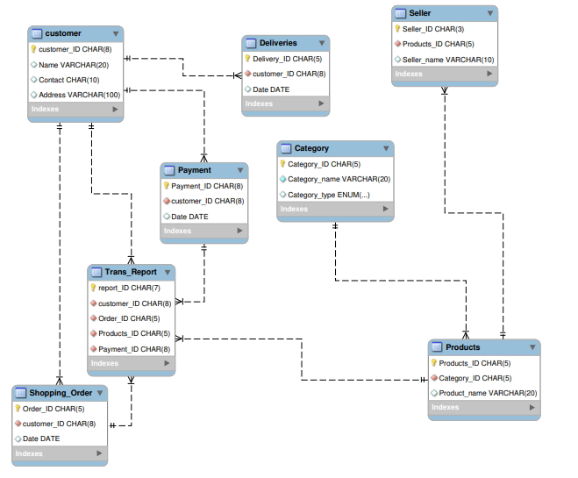

Online Shopping System-
Entity-Relationship Diagram in Mysql Workbench

